Test Scenario
SEI BE - WPxxx Work Package Description - TS (Template) (1)

Test # | Description | Actions/Input | Expected result | Pers.Number | Ref.Date | Rep.Variant | Actual Result / Problem Tracking
1 | Shift WORK
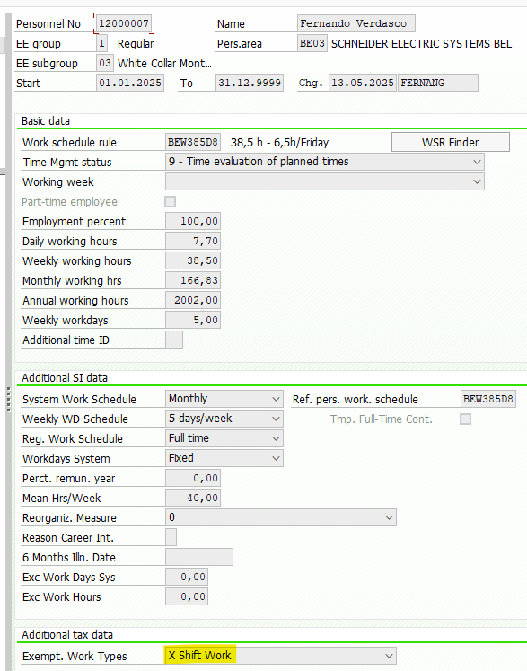

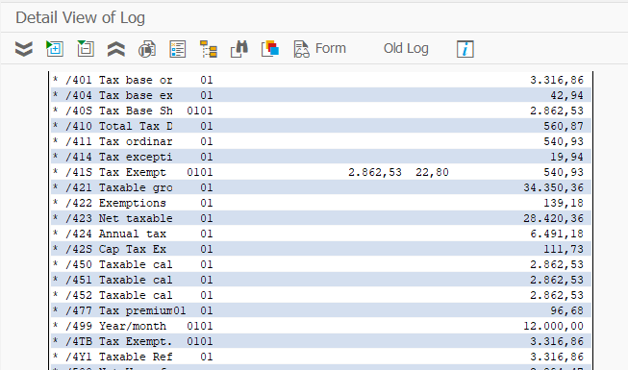

 |  |  |  |  |  |  |  | Sign | WT/Parameter | Amount/Perc | Explanation
 |  |  |  |  |  |  |  |  | /40S | € 2,862.53 | Tax Base
 |  |  |  |  |  |  |  | * | STSHF | 22.80% | Exemption % for Shift Work
 |  |  |  |  |  |  |  | = |  | € 652.66
 |  |  |  |  |  |  |  | + | /41S | -€ 540.93 | Tax Exempt
 |  |  |  |  |  |  |  | + | /42S | € 111.73 | Cap Tax Exempt

Masterdata via IT0007 as "X" for Exempt Work Types

2 | Full continuos Shift Work

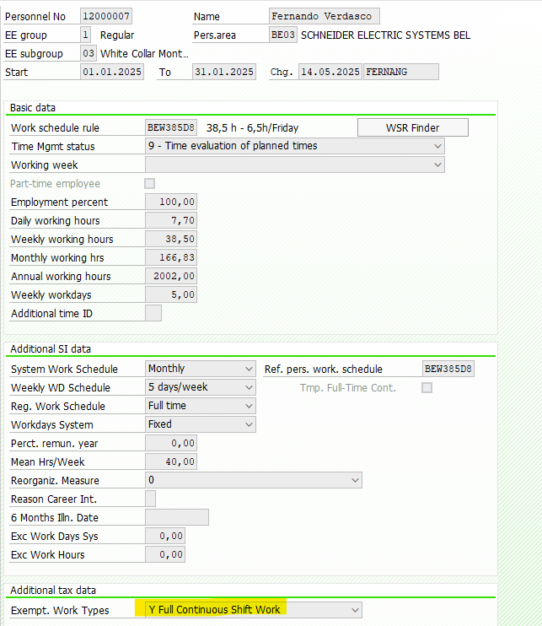
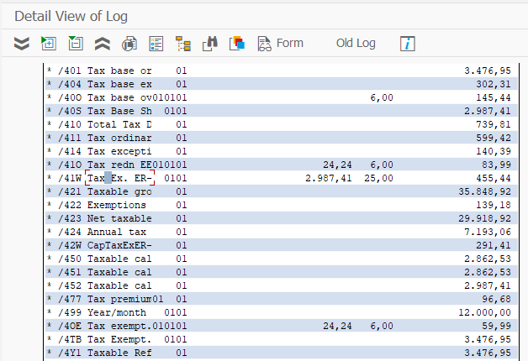

 |  |  |  |  |  |  |  | Sign | WT/Parameter | Amount/Perc | Explanation
 |  |  |  |  |  |  |  |  | /40S | € 2,987.41 | Tax Base
 |  |  |  |  |  |  |  | * | STSHC | 25.00% | Exemption % for Continuos Shift Work
 |  |  |  |  |  |  |  | = |  | € 746.85
 |  |  |  |  |  |  |  | + | /41W | € 455.44 | Tax Exempt ER
 |  |  |  |  |  |  |  | + | /42W | € 291.41 | Cap Tax Ex ER

Masterdata via IT0007 as "Y" for Exempt Work Types

